Summary
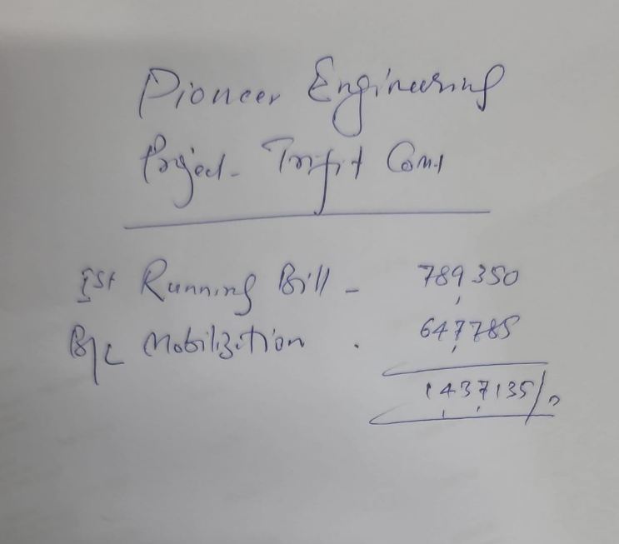
 |  |  | 29-Apr-23

TriFit Gym

COM-01, CLIFTON KARACHI.
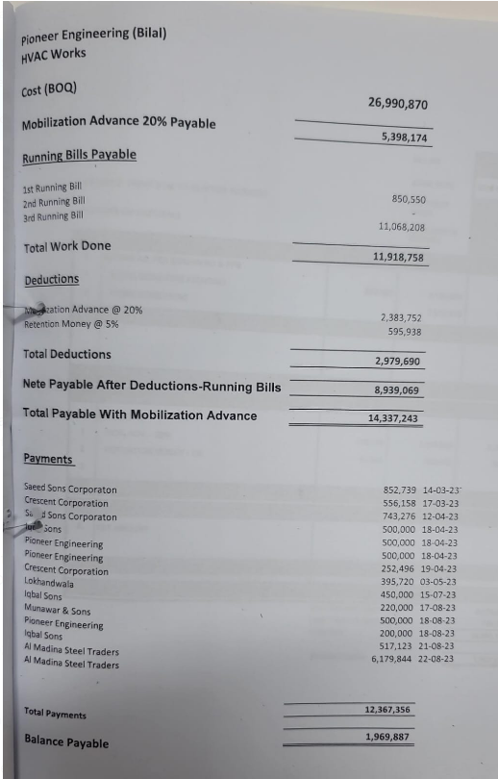
GRAND SUMMARY OF RUNNING BILL NO 1

SR.NO. | DESCRIPTION |  | AMOUNT PAK Rs.

1 | ACMV WORKS | Rs. | -

2 | FSS WORKS | Rs. | 1,753,920

3 | HVAC VARIATION | Rs.

 | Total Work: Rs. |  | 1,753,920

 | Less 5% amount that was added by Bilal bhai | 5% | 1,670,400

 | Release 50% amount on Running Bill No 1 | 50% | 835,200
 |  |  | 41,760
 |  |  | 793,440

 |  |  |  | amount | 1,437,135
 |  |  |  | Given to Hood payment | 220,000
 |  |  |  | rem | 1,217,135
 |  |  |  | to iqbal sons | 200,000
 |  |  |  | to nadeem bhai | 500,000
 |  |  |  | Net payable | 517,135

